Introduction
The University of Missouri Grain Volume Estimator

Developed by:
Joe Zulovich, Extension Agricultural Engineer
University of Missouri

Grain Volume Estimation
Grain can be stored in large bins, flat storage facilities, or temporary piles
after the grain is dried to a safe, long term moisture content. The amount of
grain stored will depend upond the geometric shape of the final pile or storage.
This estimator tool has three different tabs and can be used for different types of
storage facilities as described below.
Rectangular Piles - Can be used for inside flat storage buildings or outside piles.
Circular Piles - Can be used to estimate circular bin capacities or outside round piles.
Oval Piles - Used for oval piles with circular ends where the radius of the circular end
is equal to half the width of rectangular area (diameter of end = width)
No volume reduction is incorporated if grain volume has aeration pipes included into
storage.
Click on the geometric tab below that best fits your situation. After you enter the
required dimensions, an estimate of the volume of grain in bushels is provided.

This worksheet is for educational purposes only. It is not supported by the University of Missouri and the user assumes all risks associated with its use.

Rectangular Piles
Volume of dry grain stored in rectangular piles

Storage Dimensions
 | Length of pile |  | 100 | ft
 | Width of pile |  | 50 | ft
 | Depth of grain on vertical walls |  | 3 | ft
 | Angle of repose for grain |  | 27 | degrees
 | Corn - typical value - 27 degrees
 | Soybeans - typical value - 30 degrees
 | For level grain at top storage - enter 0 for angle of repose

Volume stored in pile |  | 33,230 | bushels
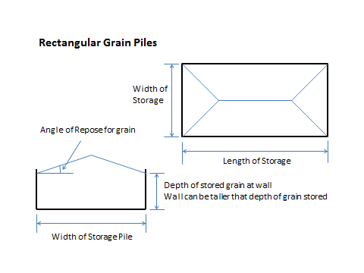

Circular Piles
Volume of dry grain stored in circular piles

Storage Dimensions
 | Diameter of pile |  | 50 | ft
 | Depth of grain on vertical walls |  | 3 | ft
 | Angle of repose for grain |  | 27 | degrees
 | Corn - typical value - 27 degrees
 | Soybeans - typical value - 30 degrees
 | For level grain at top storage - enter 0 for angle of repose

Volume stored in pile |  | 11,382 | bushels
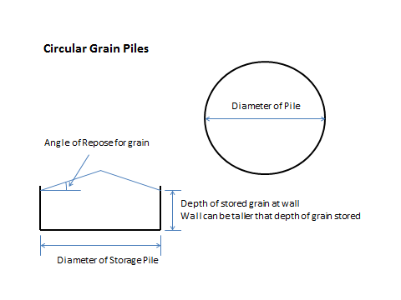

Oval Piles
Volume of dry grain stored in oval piles

Storage Dimensions
 | Length of straight walls |  | 100 | ft
 | Width of pile (diameter of end half circles) |  | 50 | ft
 | Depth of grain on vertical walls |  | 3 | ft
 | Angle of repose for grain |  | 27 | degrees
 | Corn - typical value - 27 degrees
 | Soybeans - typical value - 30 degrees
 | For level grain at top storage - enter 0 for angle of repose

 | Volume stored in pile | 74,335 | bushels
