Capital Inputs
 | Land and Buildings |  |  |  |  |  |  |  | Building and Tanks |  |  |  |  | Helper | Life used ($) | Salvage value of assets in use
 |  |  |  |  |  |  |  |  |  |  |  |  |  | salvage value at end of lifespan | Depreciated value ($)
 | Item | Unit | Quantity | Price/unit | Total cost | Useful life (yrs.) | Salvage value (%) | Depreciation | Item | Total | Unit
 | Land | acre | 0.5 | $6,000 | $3,000 |  | 100% |  | Growout area size | 6,240 | square feet
 | Steel frame building materials | square feet | 8,200 | $15.00 | $123,000 | 20 | 10% | $5,535 | Growout tank size | 5,550 | square feet |  |  | 12,300 | 55,350 | 67,650
 | Concrete pad (installed) | square feet | 8,200 | $5.75 | $47,150 | 40 | 5% | $1,120 | Floor utilization | 89% |  | 2.8653153153 |  | 2,358 | 11,198 | 35,952
 | Insulation, electrical, plumbing | square feet | 8,200 | $3.00 | $24,600 | 20 | 5% | $1,169 | Hatchery area size | 1,260 |  | 7500 |  | 1,230 | 11,685 | 12,915
 | Office, shop, storage, and machinery space | square feet | 700 | $20.00 | $14,000 | 20 | 10% | $630 | Hatchery tank size | 50 | square feet | 7,500 |  | 1,400 | 6,300 | 7,700
 | Tank materials | cubic feet | 15,903 | $1.25 | $19,878 | 10 | 20% | $1,590 | Floor utilization | 4% |  |  |  | 3,976 | - | 19,878
 | Well installation | each | 1 | $30,000 | $30,000 | 40 | 0% | $750 | Item | Total | Unit |  |  | - | 7,500 | 22,500
 | Filtration system (grow-out) | each | 1 | $13,395 | $13,395 | 10 | 10% | $1,206 | Total water area | 5,315 | square feet |  |  | 1,340 | - | 13,395
 | Aeration compressor | each | 1 | $9,650 | $9,650 | 5 | 20% | $1,544 | Total water volume | 15,903 | cubic feet |  |  | 1,930 | - | 9,650
 | Filtration pump | each | 1 | $2,700 | $2,700 | 5 | 10% | $486 | Hatchery system capacity | 85 | cubic feet |  |  | 270 | - | 2,700
 | Septic/wastewater system | each | 1 | $7,500 | $7,500 | 20 | 0% | $375 | Hatchery water volume | 636 | gallons | cubic feet | 1,581.86 | - | 3,750 | 3,750
Ultima II 1000 Filter – Aqua Ultraviolet | Climate control system | each | 1 | $20,000 | $20,000 | 20 | 10% | $900 | Growout system capacity | 118,323 | gallons |  |  | 2,000 | 9,000 | 11,000
AMT 370A-95 1" x 3/4" Cast Iron Straight Centrifugal Pump, Buna-N Seal, 3/4hp 1 Phase Motor | Filtration system (hatchery) | each | 1 | $1,555 | $1,555 | 10 | 10% | $140 | Growout tank capacity | 11,832 | gallons/tank |  |  | 156 |  | 1,555
Sweetwater Rotary Van Compressors, 1/4 to 2 HP | Pentair AES | Filtration pump (hatchery) | each | 1 | $740 | $740 | 5 | 10% | $133 |  |  |  |  |  | 74 | - | 740
 | Aeration compressor (hatchery) | each | 1 | $1,433 | $1,433 | 5 | 20% | $229 | Example RAS building layout |  |  |  |  | 287 | - | 1,433
 | Item | Unit | Quantity | Price/unit | Total cost | Useful life (yrs.) | Salvage value (%) | Depreciation |  |  |  |  |  |  | -
 | Truck | each | 1 | $45,000 | $45,000 | 10 | 25% | $3,375 |  |  |  |  |  | 11,250 | - | 45,000
 | Fish hauling tank | each | 1 | $8,000 | $8,000 | 10 | 25% | $600 |  |  |  |  |  | 2,000 | 1,200 | 6,800
 | Regulator, flow meters, diffusers | total | 1 | $1,500 | $1,500 | 5 | 10% | $270 |  |  |  |  |  | 150 | - | 1,500
 | Feed system/bins | each | 1 | $20,000 | $20,000 | 10 | 10% | $1,800 |  |  |  |  |  | 2,000 | - | 20,000
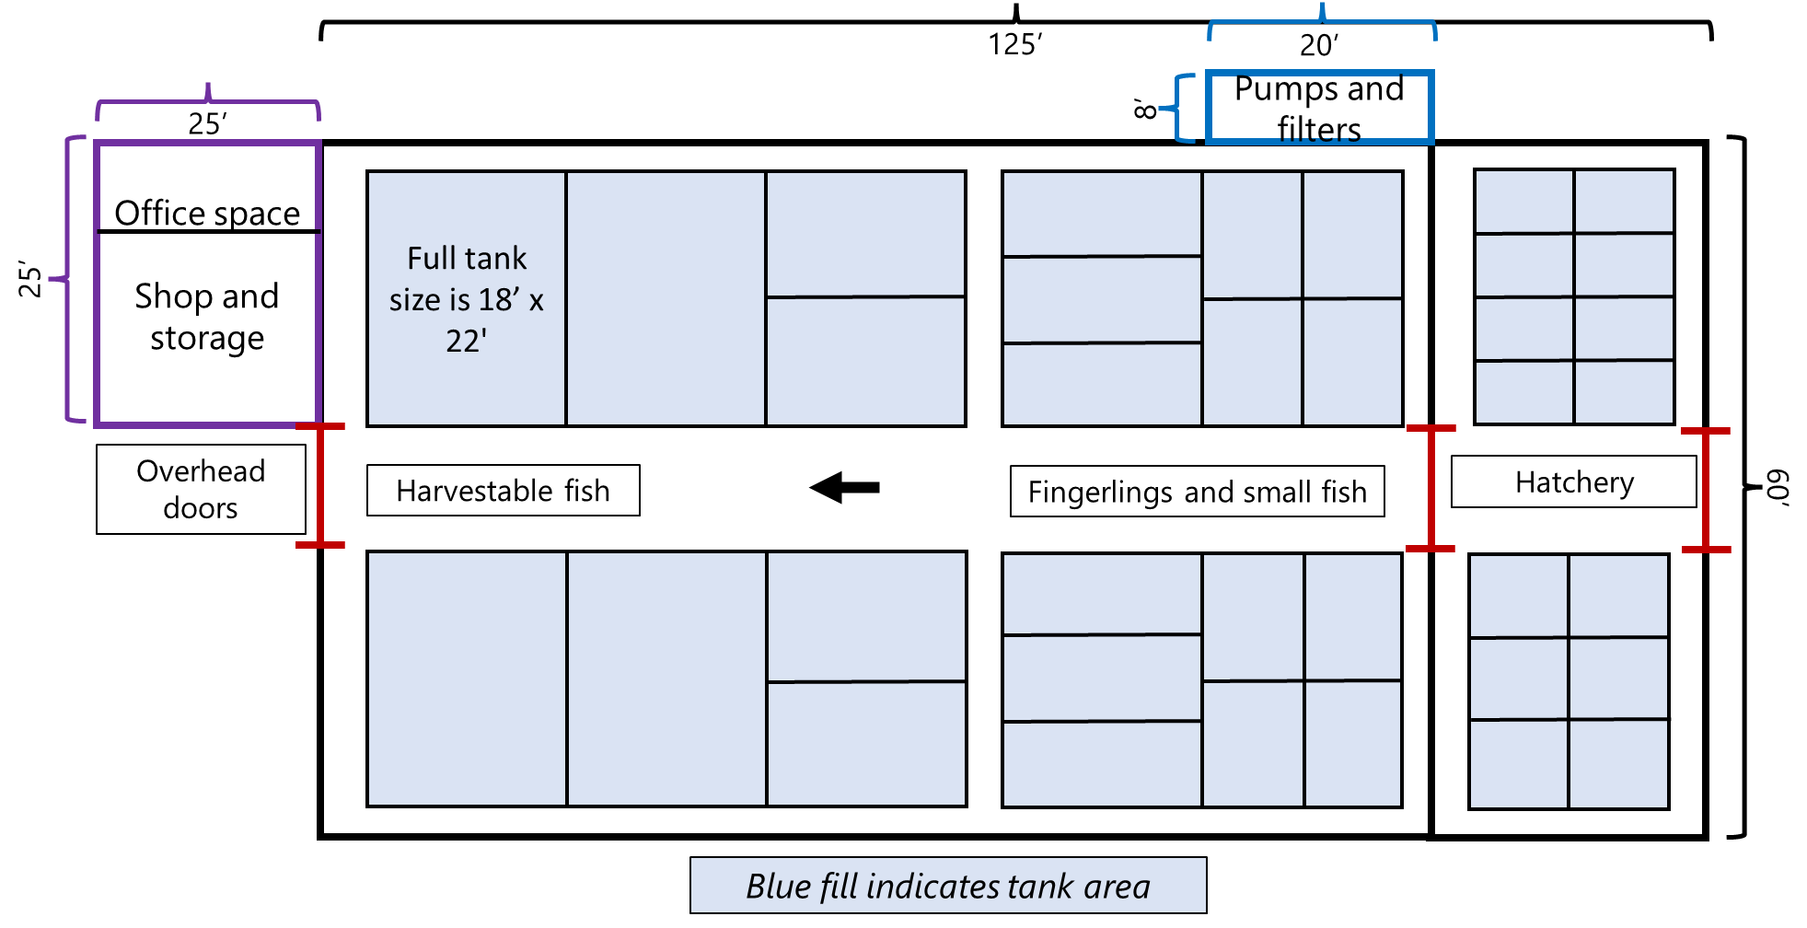
 | Shop tools | total | 1 | $5,000 | $5,000 | 10 | 25% | $375 |  |  |  |  |  | 1,250 | - | 5,000
 | Shipping/storage container | each | 1 | $3,000 | $3,000 | 20 | 20% | $120 |  |  |  |  |  | 600 | 424 | 2,576
 | DO meter | each | 2 | $900 | $1,800 | 5 | 10% | $324 |  |  |  |  |  | 180 | 4,500 | (2,700)
 | Water test kit | each | 2 | $3,000 | $6,000 | 2 | 0% | $3,000 |  |  |  |  |  | - | 4,500 | 1,500
 | Office furnishings | total | 1 | $1,000 | $1,000 | 10 | 10% | $90 |  |  |  |  |  | 100 | - | 1,000
 | Computer | total | 1 | $1,100 | $1,100 | 7 | 10% | $141 |  |  |  |  |  | 110 | 7,500 | (6,400)
 | Standby generator | each | 1 | $12,000 | $12,000 | 20 | 25% | $450 |  |  |  |  |  | 3,000 | 67 | 11,933
 | Electric panel | each | 1 | $10,000 | $10,000 | 20 | 10% | $450 |  |  |  |  |  | 1,000 | - | 10,000
 | Digital scales | each | 2 | $250 | $500 | 5 | 10% | $90 |  |  |  |  |  | 50 | - | 500
 | Forklift | each | 1 | $15,000 | $15,000 | 15 | 25% | $750 |  |  |  |  |  | 3,750 | - | 15,000
 | Waders | each | 1 | $200 | $200 | 3 | 0% | $67 |  |  |  |  |  | - |  | 200
 | Pressure washer | each | 1 | $1,500 | $1,500 | 5 | 10% | $270 |  |  |  |  |  | 150 |  | 1,500
 | Hanging scale | each | 2 | $500 | $1,000 | 5 | 10% | $180 |  |  |  |  |  | 100 |  | 1,000
 | Dipnets | each | 5 | $30 | $150 | 2 | 0% | $75 |  |  |  |  |  |  |  | 150
 | Operation with hatchery |  |  | Total investment | $451,351 |  | Total cost | $28,234
 | Operation without hatchery |  |  | Total investment | $447,623 |  | Total cost | $27,731 |  |  |  |  |  | 53,009 | 122,974 | 325,377

