Introduction
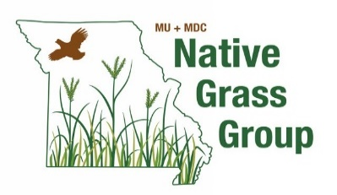
Native Warm-Season Grass Seed Production Budget
Updated: 12/20/2023

 | Developed by:
 | Drew Kientzy, Ryan Milhollin, and Joe Horner
 | University of Missouri Extension

This partial budget was developed for the owners and operators of land with native warm-season grass stands present to evaluate the financial implications of harvesting seed. The listing seen below describes the contents of this tool and the user input required. Native warm-season grass seed is assumed to be sold to a retailer as-harvested for 70% of retail value on a pure live seed (PLS) basis.

Input assumptions | Enter specific information for your scenario in the grey cells to make the budgets more accurate results catered top your operation. If you are unsure about the specifics of what seed harvest may look like, the numbers currently filling the grey cells represent a typical scenario that could be expected in the Midwest.
Big Bluestem | Shows a range of possible revenues produced from seed harvest of an established single-species stand of Big Bluestem. Harvest, marketing, and storage costs are deducted from revenue to approximate potential returns.
Indiangrass | Shows a range of possible revenues produced from seed harvest of an established single-species stand of Indiangrass. Harvest, marketing, and storage costs are deducted from revenue to approximate potential returns.
Eastern Gamagrass | Shows a range of possible revenues produced from seed harvest of an established single-species stand of Eastern Gamagrass. Harvest, marketing, and storage costs are deducted from revenue to approximate potential returns.
Harvesting Cost | Provides a detailed breakdown of harvest costs for both brush-stripper and combine harvesting operations.

 | This worksheet is for educational purposes only and the user assumes all risks associated with its use. Grass seed yield can be highly variable and sensitive to timing and weather. Prices fluctuate widely based on weather in major seed producing areas. Plan your harvest operations with the risks present in mind.

 | Funding was provided by the MU/MDC Native Grass Extension Project.

