Introduction
Native Warm-Season Grass (NWSG) Planning Budgets
Updated: 11/2025
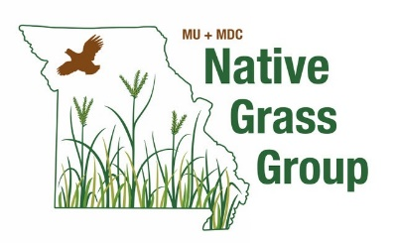
 | Developed by:
 | Drew Kientzy, Ryan Milhollin, Tim Schnakenberg, Carson Roberts, Katie Neuner
 | University of Missouri Extension

This enterprise budget was designed for farmers to use in planning the cost of replacing existing forages with native warm season forage species. Detailed seed, fertilizer, chemical, custom seeding and harvesting costs are included for the first four years of production. All information is reported on a per acre basis. Use the grey cells in each spreadsheet to adjust the budget for your situation. Budget worksheets are included for the following scenarios:

# | Name | Description
1 | NWSG, No Forbs, Dormant Seeded | Spray out pasture early fall, then no-till big bluestem & indiangrass mix during winter to overcome seed dormancy.
2 | NWSG, No Forbs, Cover Crop | Spray out pasture early fall, then no-till cover crop, graze cover crop next spring, then no-till big bluestem & indiangrass mix late spring.
3 | NWSG, Forbs, Dormant Seeded | Spray out pasture early fall, then no-till big bluestem, indiangrass, little bluestem & forb mix during the winter to overcome seed dormancy.
4 | NWSG, Forbs, Cover Crop | Spray out pasture early fall, then no-till cover crop, graze cover crop next spring, then no-till big bluestem, indiangrass, little bluestem & forb mix late spring.
5 | E. Gamagrass, Dormant Seeded | Spray out pasture early fall, then no-till eastern gamagrass during the winter to overcome seed dormancy

Year 1 | Reflects the fall before planting occurs when existing pasture is chemically killed and either a cover crop is planted or preparation for dormant season planting begins.
Year 2 | Reflects planting year when the new forage is planted, weeds controlled but no production is planned from native warm season grass plantings.
Year 3 | Reflects the first production year when partial yield is expected.
Year 4 | Reflects full forage production. This production yield is expected for the life of the stand which can persist indefinitely with proper management.

For more on NWSG, see MU Extension publication G 672: |  | Native Warm-Season Grass Planning Budget

This workbook is for educational purposes only and the user assumes all risks associated with its use.

 | Funding was provided by the MU/MDC Native Grass Extension Project.

